Bug report
Column 1 | Column 2
Project name | Zepto
Clint | Zepto
Reference document | FRS
Created by | Shubham Shrivastava
Creation date | 30/06/2024
Approval date

Column 1 | Column 2 | Column 3 | Column 4 | Column 5 | Column 6 | Column 7 | Column 8 | Column 9 | Column 10 | Column 11
Bug ID | Priority | Description/Bug Summary | Pre - requisites | Bug steps | Expected result | Actual result | Status | Test execution by | Browsers/Device | Screenshot/ Video recording
BG_001 | High | Validate appropriate message is shown when there are no products in a specific category after search. | 1.Open Browser 2.Enter url:- https://zeptomasai.netlify.app/ |  | It should give an error message when there is no product match. | It is not showing the result, still on the page. |  | Shubham Shrivastava | Crome | 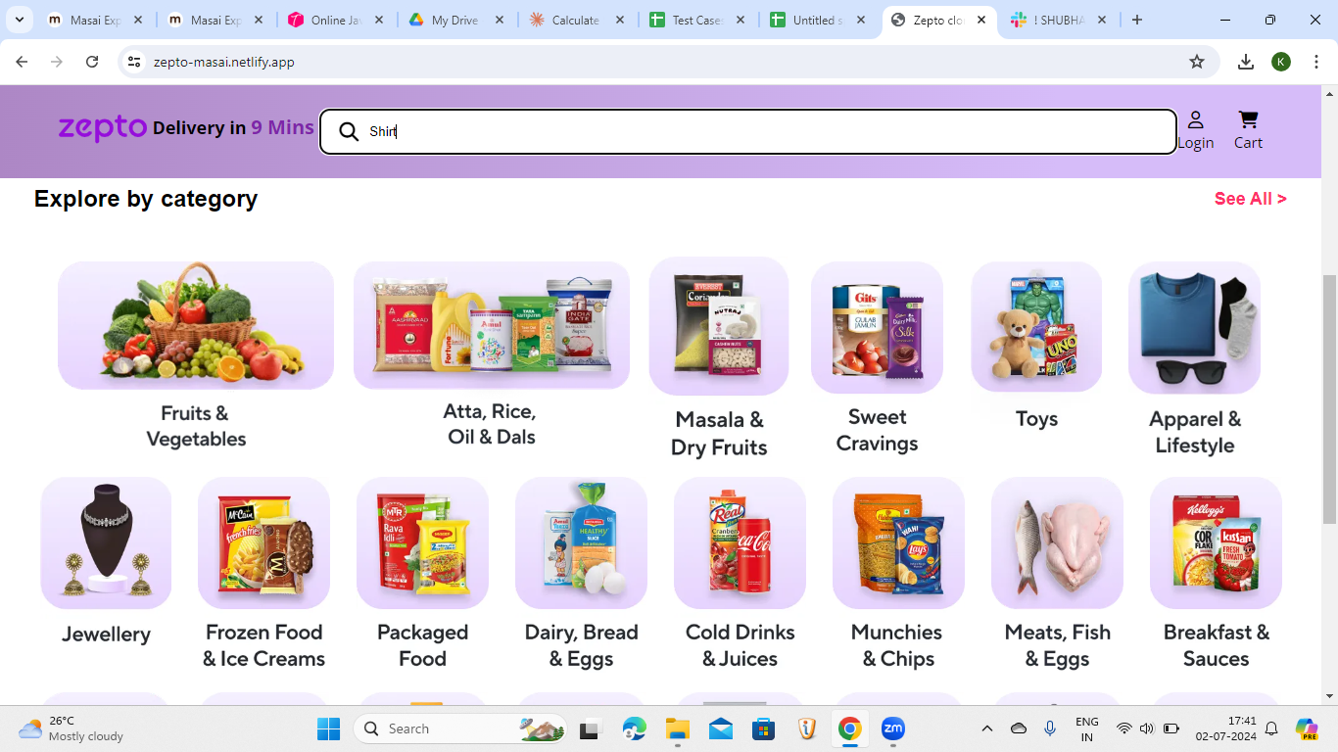
BG_002 | High | Validate user gets log out automatically after a period of inactivity. | 1.Open Browser 2.Enter url:- https://zeptomasai.netlify.app/ |  | It should get log out after certain amount of time. | It is not getting log out after inactivity. |  | Shubham Shrivastava | Crome | 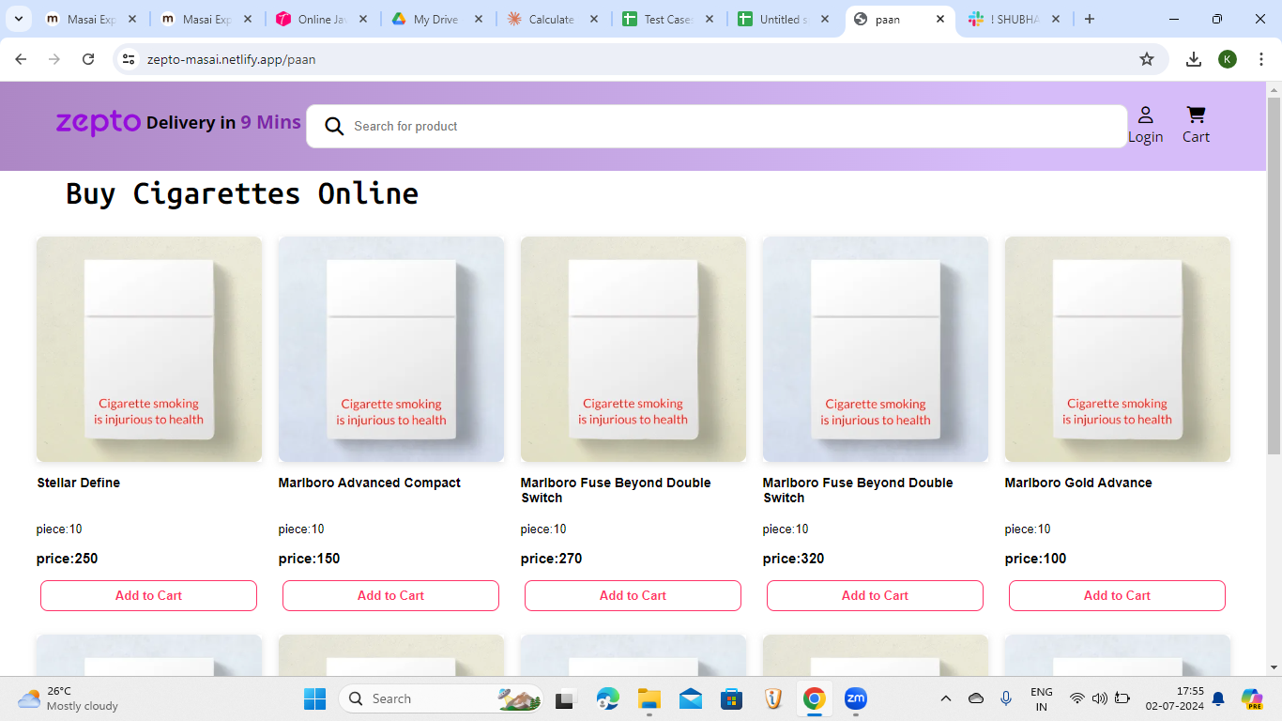
BG_003 | High | Search bar is overlaping login icon | 1.Open Browser 2.Enter url:- https://zeptomasai.netlify.app/ | 1.open browser 2.Enter url 3.Search bar is overlaping from right side | It should not over lap | It is overlaping | fail | Shubham Shrivastava | 1.chrome 2.windows 11
BG_004 | High | Best deals section not working properly | 1.Open Browser 2.Enter url:- https://zeptomasai.netlify.app/ | 1.open browser 2.Enter url 3.click on best deals section | On clicking Best deal option Discounted items section should be opened | It is not opening | fail | Shubham Shrivastava | 1.chrome 2.windows 11 | 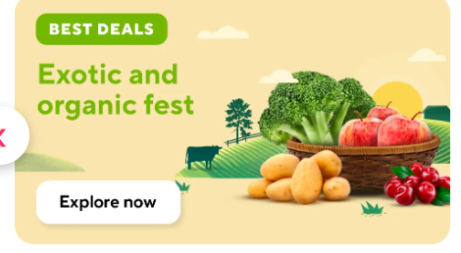
BG_005 | High | Ice-cream corner is not working at all | 1.Open Browser 2.Enter url:- https://zeptomasai.netlify.app/ | 1.open browser 2.enter url 3.Clic on Ice-cream corner | On cleacking ice-cream corner section ice cream related page should be opend | It is not opening | fail | Shubham Shrivastava | 1.chrome 2.windows 11 | 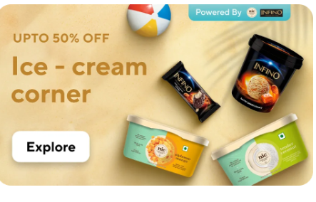
BG_006 | High | Search bar is not clickable | 1.Open Browser 2.Enter url:- https://zeptomasai.netlify.app/ | 1- Open the browser. 2-click on search button | User friendly | Not user friendly | Fail | Shubham Shrivastava | 1.chrome 2.windows 11 | 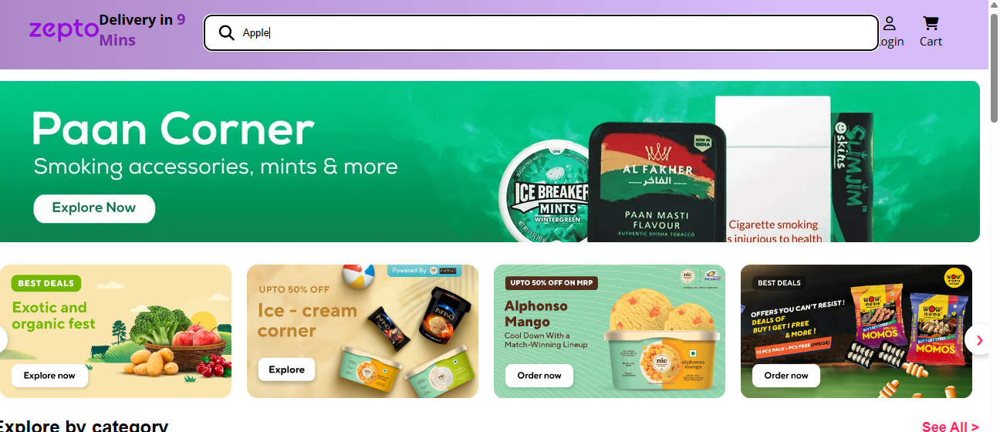
BG_007 | Medium | Search bar is not aligned properly | 1.Open Browser 2.Enter url:- https://zeptomasai.netlify.app/ | 1- Open the browser. 2-checked the search bar | User friendly | Not user friendly | Fail | Shubham Shrivastava | 1.chrome 2.windows 11
BG_008 | High | We can not find any product name in search option | 1.Open Browser 2.Enter url:- https://zeptomasai.netlify.app/ | 1- Open the browser. 2-check the search box | User friendly | Not user friendly | Fail | Shubham Shrivastava | 1.chrome 2.windows 11
BG_009 | Low | If we want to buy any product directly go to the homepage after that click on any suggested item. | 1.Open Browser 2.Enter url:- https://zeptomasai.netlify.app/ | 1- Open the browser. 2-Go to the homepage | User friendly | Not user friendly | Fail | Shubham Shrivastava | 1.chrome 2.windows 11 | 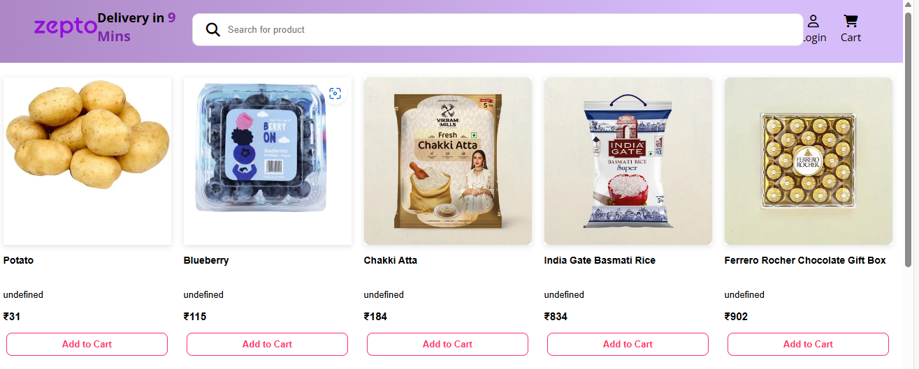
BG_010 | Medium | There is no clear button | 1.Open Browser 2.Enter url:- https://zeptomasai.netlify.app/ | 1- Open the browser. 2-checked the search bar | User friendly | Not user friendly | Fail | Shubham Shrivastava | 1.chrome 2.windows 11
BG_011 | High | In search box type any product name like "APPLE" there is not any result . related to apple and non-related to apple no movement. | 1.Open Browser 2.Enter url:- https://zeptomasai.netlify.app/ | 1- Open the browser. 2-click on search button | User friendly | Not user friendly | Fail | Shubham Shrivastava | 1.chrome 2.windows 11 | 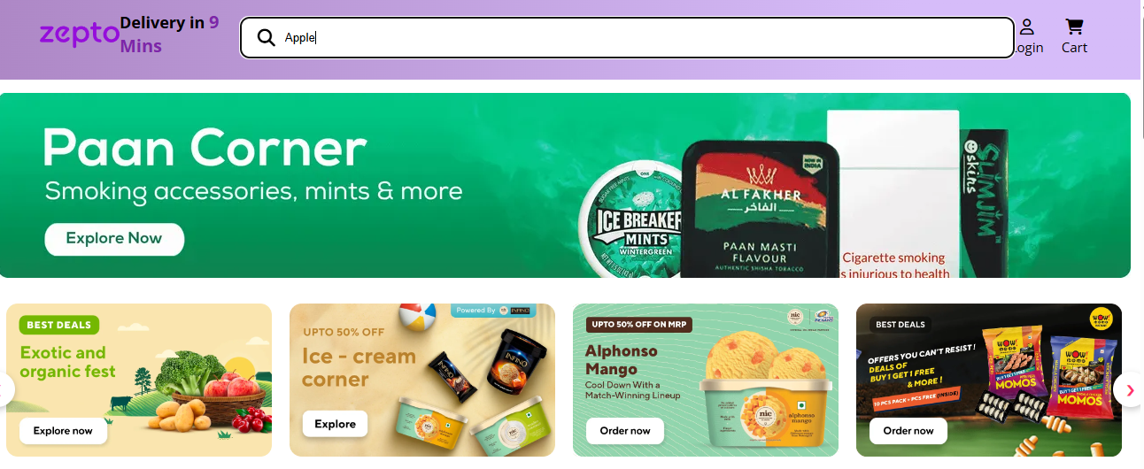
BG_012 | Low | Search option not shows any product option itself.like "kurkure" vegetables,fruits,snacks | 1.Open Browser 2.Enter url:- https://zeptomasai.netlify.app/ | 1- Open the browser. 2-checked the search bar | User friendly | Not user friendly | Fail | Shubham Shrivastava | 1.chrome 2.windows 11
BG_013 | Medium | Search bar is aligned on login button | 1.Open Browser 2.Enter url:- https://zeptomasai.netlify.app/ | 1- Open the browser. 2-checked the search bar | User friendly | Not user friendly | Fail | Shubham Shrivastava | 1.chrome 2.windows 11
BG_014 | High | Touch response time | 1.Open Browser 2.Enter url:- https://zeptomasai.netlify.app/ | 1- Open the browser. 2-click on search bar | User friendly | Not user friendly | Fail | Shubham Shrivastava | 1.chrome 2.windows 11 | 
BG_015 | High | Location Area doesn't have an icon to identify | 1.Open Browser 2.Enter url:- https://zeptomasai.netlify.app/ | 1) Open Browser 2)See the area at the left side of the screen | User friendly it must be | Not User Friendly | Fail | Shubham Shrivastava | 1.chrome 2.windows 11 | 1=zep.png
BG_016 | Low | After entering address it doesn't show us the area where the product has to be delievered | 1.Open Browser 2.Enter url:- https://zeptomasai.netlify.app/ | 1) Open Browser 2)Enter address, check whether it is showing some area for product delievery | Not User Friendly | Not User Friendly | Pass | Shubham Shrivastava | 1.chrome 2.windows 11 | 2=zep.png
BG_017 | High | After entering data in the location tab doesn't show any buttons to proceed | 1.Open Browser 2.Enter url:- https://zeptomasai.netlify.app/ | 1) Open Browser 2)After entering address , check whether you see an proceed or any button to move ahead | Not User Friendly | Not User Friendly | Pass | Shubham Shrivastava | 1.chrome 2.windows 11 | 2=zep.png
BG_018 | Medium | After entering any tab all the elements inside in rectangular boxes having qr codes are blinking | 1.Open Browser 2.Enter url:- https://zeptomasai.netlify.app/ | 1) Open Browser 2)Enter any category, check whether when you put the cursor between the page and the item , the qr will start blinking | User friendly it must be | Not User Friendly | Fail | Shubham Shrivastava | 1.chrome 2.windows 11 | Zep Vid 1.mp4
BG_019 | Medium | Sometimes you will not be able to add item the cart | 1.Open Browser 2.Enter url:- https://zeptomasai.netlify.app/ | 1) Open Browser 2)Enter any item , check whether you are able to cart | User friendly it must be | Not User Friendly | Fail | Shubham Shrivastava | 1.chrome 2.windows 11 | Zep Vid 2.mp4
BG_020 | High | In exploring by category tab , any of the options we click down we will see only same data inside | 1.Open Browser 2.Enter url:- https://zeptomasai.netlify.app/ | 1) Open Browser 2)Enter any category, you will see the same data inside | User friendly it must be | Not User Friendly | Fail | Shubham Shrivastava | 1.chrome 2.windows 11 | Zep Vid 3.mp4
BG_021 | High | Any of the pop boxes above the explore option is not clickable | 1.Open Browser 2.Enter url:- https://zeptomasai.netlify.app/ | 1) Open Browser 2)Click on options above explore category | Not User Friendly | Not User Friendly | Pass | Shubham Shrivastava | 1.chrome 2.windows 11 | Zep vid 4.mp4
BG_022 | Medium | After entering location , we don’t see any related results to verify | 1.Open Browser 2.Enter url:- https://zeptomasai.netlify.app/ | 1)Open the browser 2) Enter location, check whether you see an area | Not User Friendly | Not User Friendly | Pass | Shubham Shrivastava | 1.chrome 2.windows 11 | 2=zep.png
BG_023 | High | Even without doing login we can proceed for payment | 1.Open Browser 2.Enter url:- https://zeptomasai.netlify.app/ | 1)Open the browser 2) Add items to cart, don’t do login and try payment | User Friendly | Not User Friendly | Fail | Shubham Shrivastava | 1.chrome 2.windows 11 | Zep Vid 5.mp4
BG_024 | Medium | Due to oversize in length of search box login is clearly not visible | 1.Open Browser 2.Enter url:- https://zeptomasai.netlify.app/ | 1)Open the browser 2) Check whether you clearly see the login symbol | User Friendly | Not User Friendly | Fail | Shubham Shrivastava | 1.chrome 2.windows 11 | 3-zep.png
BG_025 | Medium | When we click on privacy and policy and terms and conditions , it is not clickable | 1.Open Browser 2.Enter url:- https://zeptomasai.netlify.app/ | 1)Open the browser 2) Enter login page and check whether you can click on the terms and conditions and privacy | Not User Friendly | Not User Friendly | Pass | Shubham Shrivastava | 1.chrome 2.windows 11 | 4=zep.png
BG_026 | Low | Avail offers and coupons option is not clickable | 1.Open Browser 2.Enter url:- https://zeptomasai.netlify.app/ | 1)Open the browser 2) Enter add to cart, check whether you can click on avail offers | User Friendly | Not User Friendly | Fail | Shubham Shrivastava | 1.chrome 2.windows 11 | 5=zep.png
BG_027 | Medium | Whenever we add items in the cart more than one and come back to add more then number of items automatically reduced to one | 1.Open Browser 2.Enter url:- https://zeptomasai.netlify.app/ | 1)Open the browser 2) Enter items more than one and come back to the homepage and then go back to the cart | Not User Friendly | Not User Friendly | Pass | Shubham Shrivastava | 1.chrome 2.windows 11 | Zep vid - 6.mp4
BG_028 | Medium | sigup account is successfully creates with weak password | 1.Open Browser 2.Enter url:- https://zeptomasai.netlify.app/ | 1) open the browser 2) Entre the URL - application will be opened 3) click on sign up button 4) Enter the weak password 5) click on sign up button | a pop message " you have entered vary weak password" | your account is successfully created | Fail | Shubham Shrivastava | 1.chrome 2.windows 11 | Screenshot (317).png
BG_029 | High | To verify that total price of the same product update after the add the same product or after the decrease the product. | 1.Open Browser 2.Enter url:- https://zeptomasai.netlify.app/ | 1. Open The browser. 2. Enter the URL 3. Click on the cart button. 4. Click on the "+", 3 times. | Total price of the should be update. | Total price of the product is not update. | Fail | Shubham Shrivastava | 1.chrome 2.windows 11 | 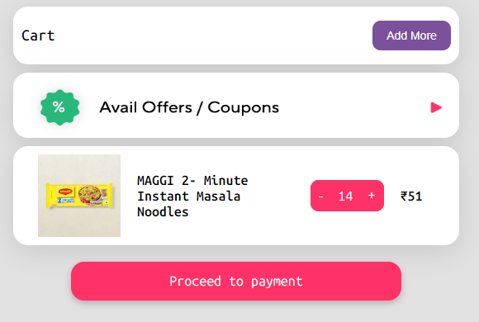
BG_030 | High | To verify that total price of all the selected products update in a cart or not. | 1.Open Browser 2.Enter url:- https://zeptomasai.netlify.app/ | 1. Open The browser. 2. Enter the URL 3. Click on the cart button. 4. Click on the "Add more" button. 5. Select the product and click on the add to cart. 6. Click on the cart button. | Total price should be update. | There is no total price section in the cart. | Fail | Shubham Shrivastava | 1.chrome 2.windows 11 | 